TEDB Edition 40
Figure 2.4. World Natural Gas Reserves, Production, and Consumption, 2019
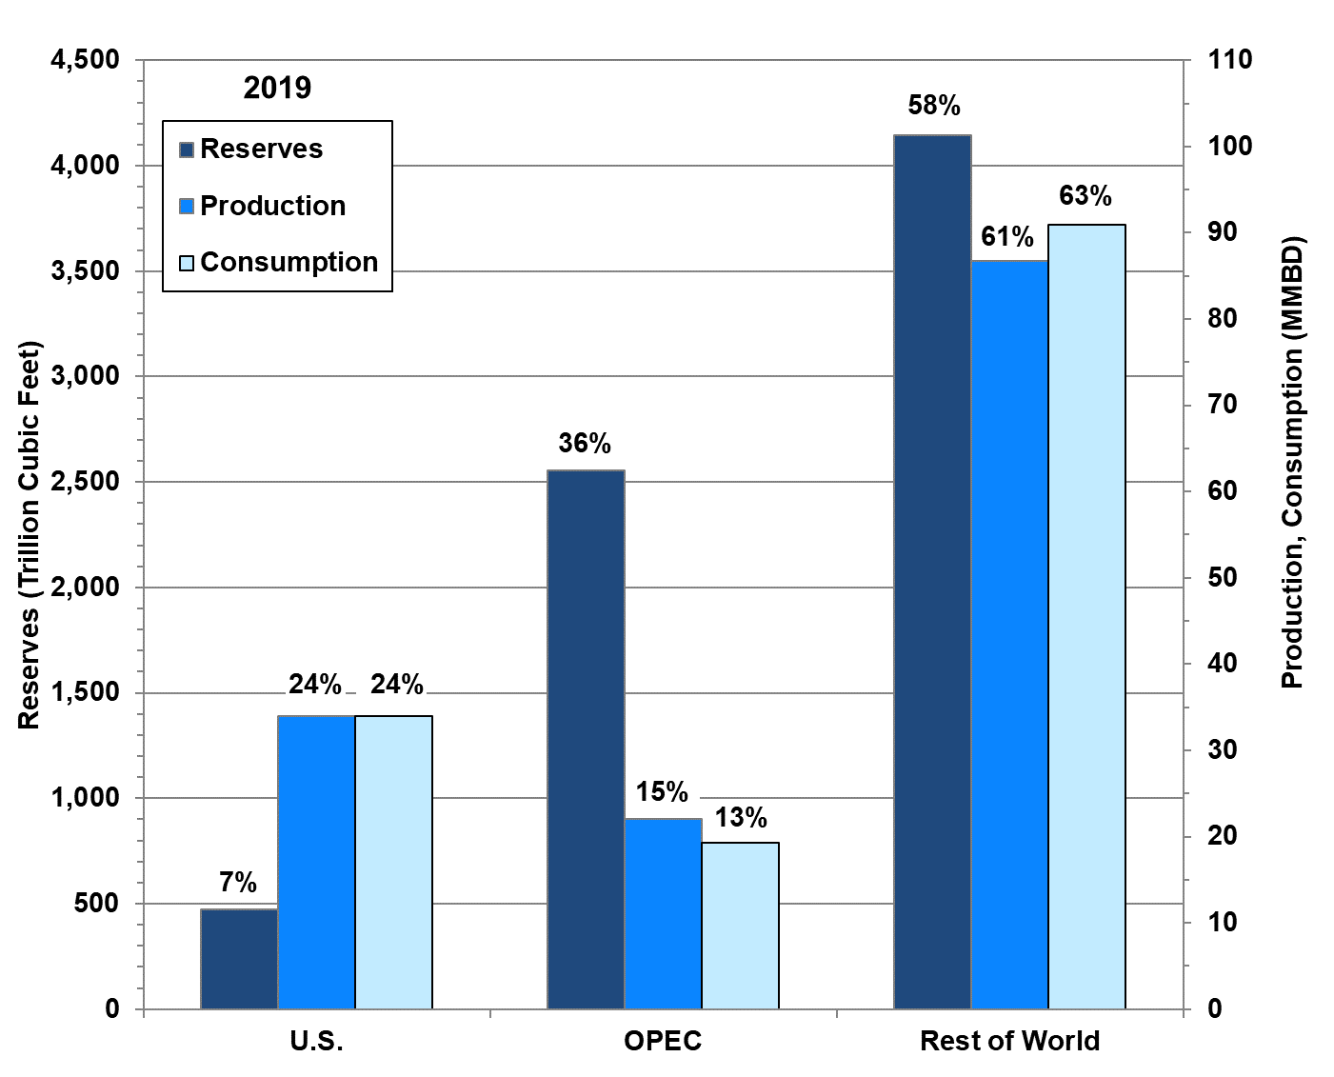

Source:
See Table 2.1.

Table 2.1
World Natural Gas Reserves, Production, and Consumption, 1980, 1999 and 2019
(trillion cubic feet)

 | Natural gas reserves | Reserve share | Natural gas production | Production share | Natural gas consumption | Consumption share
 | 1980
United States | 201.0 | 8% | 19.4 | 36% | 19.9 | 38%
OPEC | 911.1 | 35% | 2.2 | 4% | 2.2 | 4%
Rest of world | 1,473.4 | 57% | 31.7 | 60% | 30.9 | 58%
 | 1999
United States | 164.0 | 3% | 18.8 | 20% | 22.4 | 27%
OPEC | 1,842.9 | 36% | 22.3 | 23% | 7.3 | 9%
Rest of world | 3,136.1 | 61% | 55.1 | 57% | 54.0 | 64%
 | 2019
United States | 474.8 | 7% | 34.0 | 24% | 34.0 | 24%
OPEC | 2,555.5 | 36% | 22.0 | 15% | 19.3 | 13%
Rest of world | 4,146.6 | 58% | 86.7 | 61% | 91.0 | 64%

Note: Production data are dry gas production. See Glossary for OPEC countries.

Source:
Energy Information Administration, International Energy Statistics, September 2021. (Additional resources: www.eia.doe.gov)

